Sheet1
 | GEOS 654 Visible and Infrared Remote Sensing |  |  |  | Spring 2010

 | HW #2 | Torge S. Steensen

 | 1)

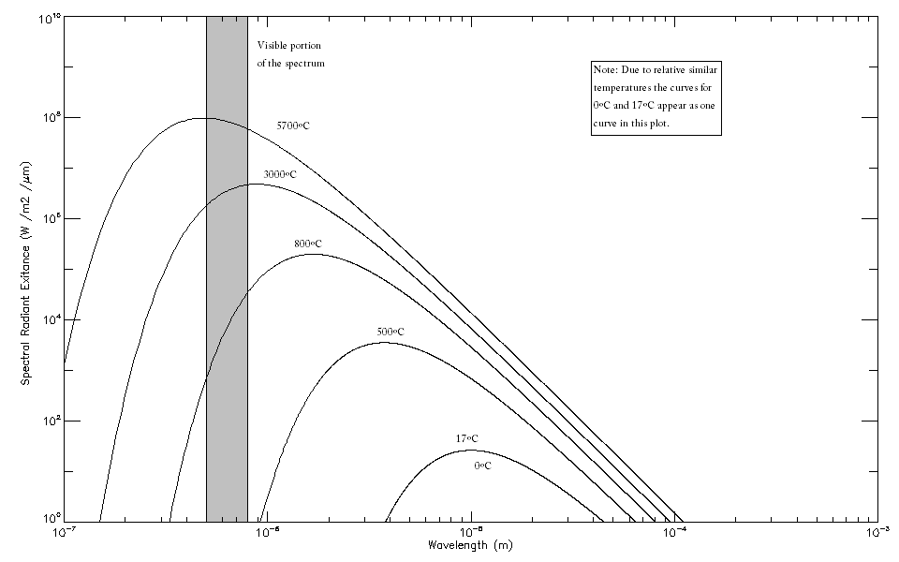

 | This plot was created in IDL and later modified in Microsoft Paint.

 | 2)
 |  | Temperature (ºC) | Temperature (K) | Wavelenght of Maximum Emittance
 |  | (if given) |  | (nm) | (µm) | (m)
 | Iron Bar | 103 | 376 | 7704 | 7.704 | 0.000007704

 | Soil | 33 | 306 | 9466 | 9.466 | 0.000009466

 | Lamp | --- | 2945 | 984 | 0.984 | 0.000000984

 | Star | --- | 5737 | 521 | 0.521 | 0.000000521

 | given values

 | Wien's Displacement Law: | λ(max)=2898 µm K / T

 | 3)

 | Temperature in Celsius (*) | Temperature in Kelvin
A | 15 | 288.15
 | 40 | 313.15
 | 100 | 373.15
 | 250 | 523.15
 | 400 | 673.15
 | 600 | 873.15
 | 900 | 1173.15
 | 1100 | 1373.15
 | 1300 | 1573.15
 | 1400 | 1673.15
 | 1300 | 1573.15
 | 1100 | 1373.15
 | 900 | 1173.15
 | 600 | 873.15
 | 400 | 673.15
 | 250 | 523.15
 | 100 | 373.15
 | 40 | 313.15
A' | 15 | 288.15

 | The color of the flame depends on the temperature it has. The hottest part of the flame is the center (in this case glowing white). The further out from that the lower the temperature is.
 | The colors change accordingly from white (up to 1500ºC) over yellow (about 1200ºC) to red (between 500 and 1000ºC). The outermost periphery of the barely visible flame still has about 525ºC.
 | The room temperature (here assumed to be about 15ºC) is reached in a short distance to the flame (points A and A').
 | The higher energy in the center of the flame refers to lower wavelengths of the emitted light. The peak of emission moves to lower wavelenghts with higher energy. For this reason
 | the flame glows, red, yellow and white with increasing temperatures as the peak of emission moves towards the visible spectrum. The minimum temperature for the flame to be visible
 | with about 525ºC reflects the minimum temperature a glowing object has to have to emit visible light and is also represented in the curves in task 1.

 | (*) Temperatures are taken from the internet (http://en.wikipedia.org/wiki/Fire) and have been extrapolated.

